Sheet1
 |  | Document No. | Issue No. | Issue Date |  | Review and Replace Date |  | Authorised By
 |  | GFF217MC | 2 | 02.10.2020 |  | 23.12.2021 |  | Magda Shah
 |  | Document Title | Kashmiri Chicken Bites 3000g

Document amendments reason for change |  | Film Updated |  | Page 1 of 1 | Previous Issue Date |  | 02.10.2020 | Uncontrolled copy unless signed original

CCKASB-B2T | Simply Lunch |  | Kashmiri Chicken Bites 3000g
STEP 1 |  |  |  |  | STEP 2
 |  |  |  |  | 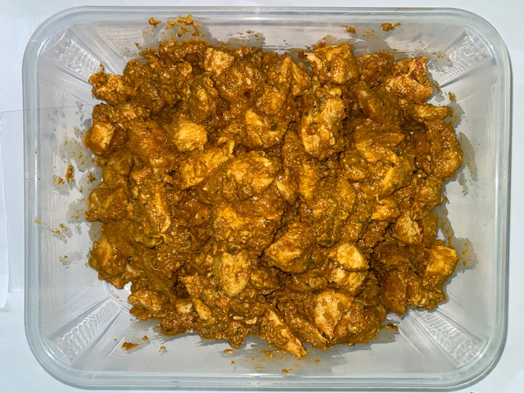

Tray: H320/100-CLEAR (554) (PKNUT001-06) |  |  |  |  | Kashmiri Chicken Bites (GFF336R): 3000g

Film: PP340 AF 340mmx500m (PKPRO001-15)

TOTAL WEIGHT: 3000g

ALLERGY ALERT: MILK

